Pivot of loc & Prog expenses
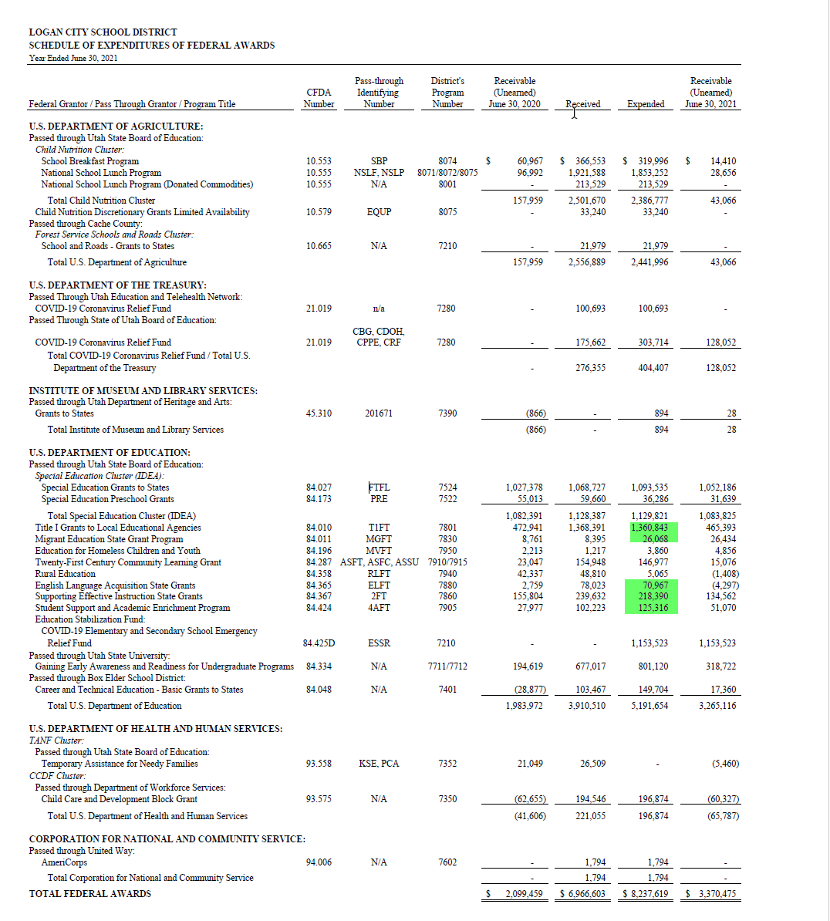
Pivot structured to show FY21 expenses, for all programs that are reported on the Allotment Memo from USBE, by School/location
Fund | 10
Account Type | 91
Program in Allotment Memo? | (Multiple Items)

Sum of DR/(CR) |  | Location Descriptions
Alt program | Program description | Adams Elementary | Bridger Elementary | Educator Salary Adjustment | Ellis Elementary | Hillcrest Elementary | Logan Early Childhood Center | Logan High School | Mount Logan Middle School | Riverside Pre School | Wilson Elementary | Woodruff Elementary | District Office | Grand Total | Value per FY21 SEFA | Difference
1205 | SPECIAL EDUCATION | 185,972.22 | 182,796.00 | (147,067.20) | 152,456.13 | 129,621.55 | 81,791.41 | 603,169.64 | 510,154.17 | 76,268.90 | 183,688.78 | 168,512.31 | 947,605.43 | 3,074,969.34
1210 | SPECIAL EDUCATION -- SELF-CONT |  | 81,882.97 | (20,568.84) |  |  |  | 13,907.78 | 83,991.94 | 10,309.38 | 83,214.32 | 74,255.50 |  | 326,993.05
1215 | SPECIAL EDUCATION -- PRESCHOOL | - | - | (25,711.05) |  |  | 187,405.52 |  |  | 394,072.83 |  |  | 24,132.16 | 579,899.46
1220 | EXTENDED YEAR PROG FOR SEVERE |  | - |  |  |  |  | - | - | - |  |  | 4,107.47 | 4,107.47
1225 | SPECIAL EDUCATION -- INST/IMPA |  |  |  |  |  |  | 46,447.56 |  |  |  |  | - | 46,447.56
1278 | EXTENDED YEAR -- SPECIAL EDUCATORS |  |  |  |  |  |  |  |  |  |  |  | 32,316.32 | 32,316.32
5201 | STATE CLASS SIZE REDUCTION | 245,946.61 | 320,861.40 | (107,986.41) | 320,012.30 | 298,139.54 |  |  | 648.00 |  | 247,396.04 | 322,604.56 | - | 1,647,622.04
5310 | SOCIAL SECURITY & RETIREMENT R |  |  |  |  |  |  |  |  |  |  |  | - | -
5315 | PUPIL TRANSPORTATION | 108.00 | - |  | - | 1,748.80 | - | 100,406.58 | 103.20 |  | 573.00 | 1,057.60 | 1,434,647.75 | 1,538,644.93
5331 | GIFTED AND TALENTED | 3,147.80 | 852.55 |  | 5,720.09 | 2,432.24 |  |  |  |  | 3,520.30 | 78.22 | 3,003.01 | 18,754.21
5332 | ADVANCED PLACEMENT |  |  | (18,049.19) |  |  |  | 351,409.58 |  |  |  |  | 6,804.69 | 340,165.08
5333 | CONCURRENT ENROLLMENT |  |  | (4,730.80) |  |  |  | 102,386.46 |  |  |  |  | 6,804.69 | 104,460.35
5336 | AT RISK - ENHANCEMENT | 91,824.81 | 94,451.47 | (30,853.26) | 127,926.91 | 107,513.24 | - | 69,057.08 | 116,197.69 |  | 121,904.46 | 99,844.64 | 168,837.76 | 966,704.80
5340 | AT RISK - YOUTH IN CUSTODY |  |  | (10,284.42) |  |  |  | 20,140.86 | 15,831.59 |  |  |  | 438,925.69 | 464,613.72
5420 | SCHOOL TRUST LANDS | 43,401.39 | 79,761.08 | (16,146.51) | 40,464.09 | 57,607.51 | - | 270,569.54 | 211,336.59 |  | 63,960.35 | 116,127.19 | - | 867,081.23
5610 | DRIVERS EDUCATION |  |  |  |  |  |  | 3,747.21 |  |  |  |  | 122,780.03 | 126,527.24
5637 | DUAL IMMERSION PROGRAM |  | 22,500.00 | (1,928.33) |  | 6,656.90 |  |  | 17,248.02 |  |  |  | 6,338.20 | 50,814.79
5641 | EARLY INTERVENTIONS PROGRAM | 36,622.99 | 36,299.93 | (7,713.33) | 35,969.18 | - |  |  |  |  | - | 45,229.31 | 19,062.33 | 165,470.41
5642 | ELED COUNSELOR |  | 85,420.90 | (4,268.04) |  |  |  |  |  |  |  |  |  | 81,152.86
5644 | STEM Endorsement Incentive |  |  |  |  |  |  |  |  |  |  |  | - | -
5655 | DIGITAL TEACHING & LEARNING | - | - |  | - | - | 1,875.92 | - | 499.00 | - | - | - | 159,147.93 | 161,522.85
5658 | Supplemental Educator COVID-19 Stipend |  |  |  |  |  |  |  |  |  |  |  | 857,597.07 | 857,597.07
5668 | Effective teach in high poverty schools |  | 4,474.16 |  | 8,943.15 |  |  |  |  |  |  |  |  | 13,417.31
5674 | SUICIDE PREVENTION |  |  |  |  | - |  | 500.00 | 1,066.34 |  |  |  | 203.94 | 1,770.28
5676 | IGP |  | 36,649.66 |  |  |  |  |  |  |  |  |  | 4,771.79 | 41,421.45
5677 | IGP SUPPLEMENTAL |  | - |  |  |  |  |  |  |  |  |  |  | -
5678 | Teacher and Student Success Program | 48,877.74 | 84,136.23 | (4,165.19) | 39,665.30 | 31,585.32 |  | 210,616.33 | 226,999.41 | - | 67,406.19 | 91,170.42 |  | 796,291.75
5695 | Corona Relief - State |  | 33,646.06 |  |  |  |  |  |  |  |  |  | 4,380.72 | 38,026.78
5805 | READING ACHIEVEMENT | 62,650.46 | 80,425.00 | (12,855.55) | 59,729.29 | 89,891.55 |  |  |  |  | 75,531.46 | 61,597.57 | 32,720.12 | 449,689.90
5807 | TSSP | 5,702.23 | 8,170.85 |  | 5,703.62 |  |  | 68,450.35 | 30,520.34 | 16,802.90 | 12,328.76 | 3,490.24 | 126.75 | 151,296.04
5810 | MEDIA SUPPLEMENTAL | 384.91 | 1,012.20 |  | 385.20 | 555.15 | - | 1,962.46 | 1,265.02 |  | 625.00 | 1,085.76 |  | 7,275.70
5868 | TEACHER MATERIALS & SUPPLIES | - | - |  | - | - | - | - | - | - | - | - | 50,409.25 | 50,409.25
5876 | LEGISLATIVE SALARY ADJUSTMENT | - | - | 1,571,028.76 | - | - | - | - | - | - | - | - | - | 1,571,028.76
5881 | USTAR PROGRAM |  |  |  |  |  |  | - | 177.20 |  |  |  | - | 177.20
5882 | BTS ARTS PROGRAM | - | - | (8,227.54) | - | 37,399.97 |  |  |  |  | 35,738.47 |  | 92,608.56 | 157,519.46
5901 | College and Career Awareness |  |  |  |  |  |  |  | 13,519.75 |  |  |  | 1,387.15 | 14,906.90
5902 | Work Based Learning – K12 |  |  | - |  |  |  | 17,922.90 |  |  |  |  | 26,033.86 | 43,956.76
5903 | 5903 |  |  |  |  |  |  | 11,712.92 | 30,793.02 |  |  |  | 69,375.64 | 111,881.58
5911 | English Language Learner Software |  |  |  |  |  |  |  |  |  |  |  | 45,600.00 | 45,600.00
6000 | VOCATIONAL-TECHNICAL EDUCATION |  |  | (35,764.02) |  |  |  | 963,464.19 | - |  |  |  | 134,048.72 | 1,061,748.89
7210 | ESSER CARES Program |  |  |  |  |  |  |  |  |  |  |  | 1,042,445.51 | 1,042,445.51
7215 | ESSER II CARES Program | 702.90 | - |  | - | - |  | - | 461.13 | - | - | - | 109,913.32 | 111,077.35
7220 | GEERS CARES Program | - | - |  | - | - |  |  |  | - | - | - |  | -
7280 | Other USBE CARES Programs |  |  |  |  |  |  |  |  |  |  |  | 404,407.45 | 404,407.45
7352 | KEEP KINDERGARTEN SUPPLEMENT ENRICHMENT |  |  |  |  | - |  |  |  |  |  | - | - | -
7401 | CTE Federal Perkins -Formula |  |  | (5,142.22) |  |  |  | 2,901.77 | 2,740.38 |  |  |  | 153,330.86 | 153,830.79
7522 | IDEA-B - PRESCHOOL HANDCAPPED |  |  |  |  |  | 4,814.96 |  |  | 30,092.09 |  |  | 1,378.83 | 36,285.88
7524 | FEDERAL IDEA-B PL | 14,770.65 | 114,592.32 | (30,853.26) | 14,855.34 | 13,491.79 | - | 286,570.26 | 200,941.59 | 9,021.12 | 97,522.11 | 68,456.39 | 304,166.73 | 1,093,535.04
7801 | TITLE I | 113,027.62 | 248,115.89 | (23,757.00) | 169,659.38 | 117,087.17 | 5,573.64 | - | - | - | 139,558.30 | 267,361.09 | 324,901.33 | 1,361,527.42 | 1,360,843.00 | 684.42
7830 | Fed NCLB Title I C Migrant Children |  |  |  |  |  |  |  |  |  |  |  | 26,068.06 | 26,068.06 | 26,068.00 | 0.06
7860 | TITLE IIA TEACHER QUALITY | 6,860.68 | 10,854.78 | (2,571.11) | 6,824.68 | 13,648.41 |  | - | 33,617.14 |  | 8,280.59 | 11,340.19 | 129,534.57 | 218,389.93 | 218,390.00 | (0.07)
7880 | TITLE III A FEDERAL - ELL | - | - |  | - | - |  | - | 15,738.08 |  | - | - | 55,228.46 | 70,966.54 | 70,967.00 | (0.46)
7905 | Student Support Services Program |  | 125,695.95 | (5,142.21) |  |  |  |  |  |  |  |  | 4,761.87 | 125,315.61 | 125,316.00 | (0.39)
7910 | 21ST CENTURY GRANT | - | - |  | 828.52 | 32,217.37 |  | - | - |  | 56,480.60 | 1,647.44 | 58,377.13 | 149,551.06
7940 | Fed NCLB Title VI B Rural and Low Income Schools |  |  |  |  |  |  | - | 4,872.90 |  |  |  | 192.48 | 5,065.38
7950 | NCLB TITLE X C HOMELESS CHILDREN |  |  |  |  |  |  | - | - |  |  |  | 3,859.77 | 3,859.77
Grand Total |  | 860,001.01 | 1,652,599.40 | 1,047,243.28 | 989,143.18 | 939,596.51 | 281,461.45 | 3,145,343.47 | 1,518,722.50 | 536,567.22 | 1,197,728.73 | 1,333,858.43 | 7,312,343.40 | 20,814,608.58

FY21 TB
REPORT MODULE | REPORT DATE | REPORT | YEAR | BEGINNING FUND | ENDING FUND | BEGINNING ACCOUNT PERIOD | ENDING ACCOUNT PERIOD | REPORT TITLE
FJBAS02B | 12/02/21 05:06 PM | Trial Balance Report | 21 | 10 | 49 | 0 | 13 | General Fund
CLIENT_NAME
Logan City School District |  |  |  |  |  |  |  |  |  |  |  |  |  |  |  |  |  |  |  |  | Pivot of FY21 TB structured to show change in fund balance by fund agrees to our financials
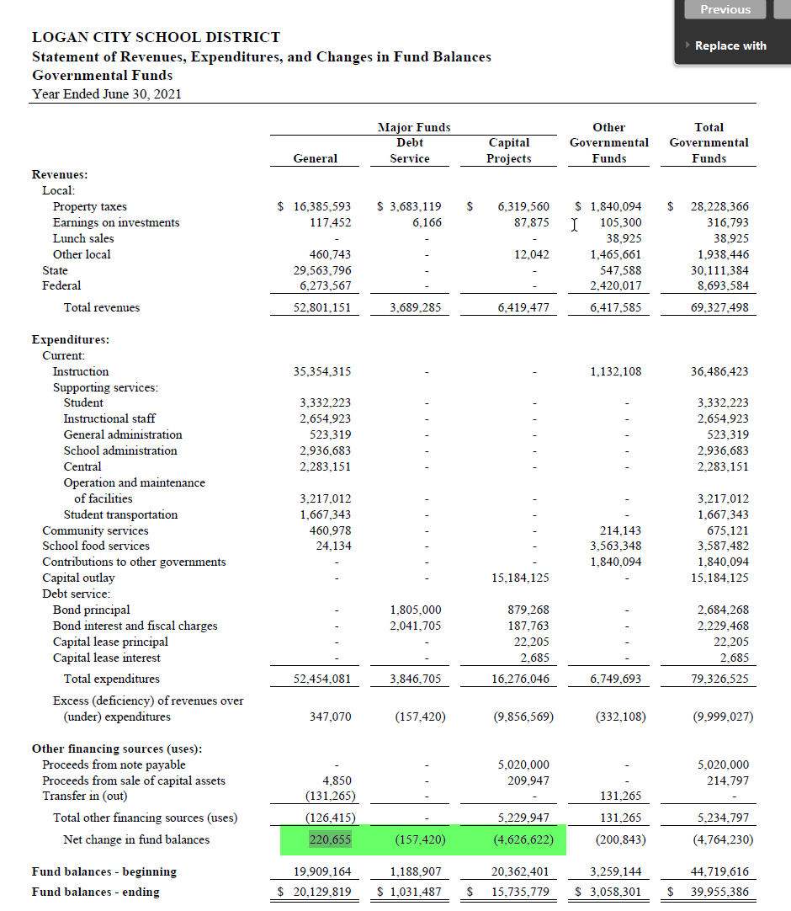
Fund | Account No | Account Description | Account Type | Debit | Credit | DR/(CR) | Fund | Location | Location (HC) | Location Descriptions | Program | Program (hardcoded) | Function | Object | Obj1 | Alt program | Alt program (hardcoded) | Program description | Mapped? | Program in Allotment Memo? | Fund | Sum of DR/(CR)
10 | 10-000-21-0000-8111-888 | Cash | 11 | 24264902.58 | 0 | 24,264,902.58 | 10 | 000 | 0 | Balance Sheet Account | 0000 | 0 | 8111 | 888 | 8 | 0 | 0 | BASIC PROGRAM | N | #N/A | 10 | -220659.38
10 | 10-000-21-0000-8113-888 | ClassWallet Holding Account | 11 | 0 | 0 | - | 10 | 000 | 0 | Balance Sheet Account | 0000 | 0 | 8113 | 888 | 8 | 0 | 0 | BASIC PROGRAM | N | #N/A | 21 | -130337.72
10 | 10-000-21-0000-8112-888 | Petty Cash | 12 | 346.39 | 0 | 346.39 | 10 | 000 | 0 | Balance Sheet Account | 0000 | 0 | 8112 | 888 | 8 | 0 | 0 | BASIC PROGRAM | N | #N/A | 26 | 0
10 | 10-000-21-0000-8130-888 | ACCOUNTS RECEIV | 12 | 16146.33 | 0 | 16,146.33 | 10 | 000 | 0 | Balance Sheet Account | 0000 | 0 | 8130 | 888 | 8 | 0 | 0 | BASIC PROGRAM | N | #N/A | 31 | 157420.95
10 | 10-000-21-0000-8133-888 | WAREHOUSE POST | 12 | 0 | 0 | - | 10 | 000 | 0 | Balance Sheet Account | 0000 | 0 | 8133 | 888 | 8 | 0 | 0 | BASIC PROGRAM | N | #N/A | 32 | 4626620.76
10 | 10-000-21-0000-8152-888 | PREPAID - Andavo Travel | 12 | 0 | 0 | - | 10 | 000 | 0 | Balance Sheet Account | 0000 | 0 | 8152 | 888 | 8 | 0 | 0 | BASIC PROGRAM | N | #N/A | 49 | 436115.47
10 | 10-000-21-0000-8153-888 | PREPADI - APEX | 12 | 0 | 0 | - | 10 | 000 | 0 | Balance Sheet Account | 0000 | 0 | 8153 | 888 | 8 | 0 | 0 | BASIC PROGRAM | N | #N/A | Grand Total | 4869160.08
10 | 10-000-21-0000-8154-888 | PREPAID - WILSON CUSTODIAL | 12 | 0 | 0 | - | 10 | 000 | 0 | Balance Sheet Account | 0000 | 0 | 8154 | 888 | 8 | 0 | 0 | BASIC PROGRAM | N | #N/A
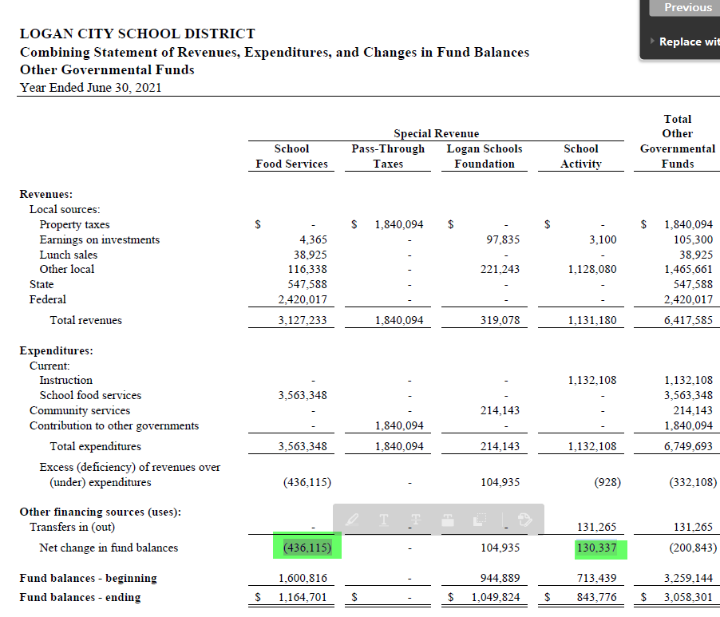
10 | 10-000-21-0700-8152-888 | FIDELITY BND PP | 12 | 0 | 0 | - | 10 | 000 | 0 | Balance Sheet Account | 0700 | 700 | 8152 | 888 | 8 | 50 | 50 | CLASSROOM-GENERAL | Y | #N/A
10 | 10-000-21-1050-8139-888 | PROPERTY TAXES | 12 | 15452946 | 0 | 15,452,946.00 | 10 | 000 | 0 | Balance Sheet Account | 1050 | 1050 | 8139 | 888 | 8 | 50 | 50 | CLASSROOM-GENERAL | Y | #N/A
10 | 10-000-21-1205-8131-888 | A/R SPECIAL ED | 12 | 0 | 0 | - | 10 | 000 | 0 | Balance Sheet Account | 1205 | 1205 | 8131 | 888 | 8 | 1205 | 1205 | SPECIAL EDUCATION | N | 1205
10 | 10-000-21-1205-8134-888 | A/R FED SPED | 12 | 0 | 0 | - | 10 | 000 | 0 | Balance Sheet Account | 1205 | 1205 | 8134 | 888 | 8 | 1205 | 1205 | SPECIAL EDUCATION | N | 1205
10 | 10-000-21-1215-8134-888 | A/R FED PRESCHL | 12 | 0 | 0 | - | 10 | 000 | 0 | Balance Sheet Account | 1215 | 1215 | 8134 | 888 | 8 | 1215 | 1215 | SPECIAL EDUCATION -- PRESCHOOL | N | 1215
10 | 10-000-21-5260-8133-888 | LD BLK GRANT | 12 | 0 | 0 | - | 10 | 000 | 0 | Balance Sheet Account | 5260 | 5260 | 8133 | 888 | 8 | 5260 | 5260 | LOCAL DISCRETIONARY BLOCK | N | #N/A
10 | 10-000-21-5270-8133-888 | ISS BLK GRANT | 12 | 0 | 0 | - | 10 | 000 | 0 | Balance Sheet Account | 5270 | 5270 | 8133 | 888 | 8 | 5270 | 5270 | INTERVENTIONS FOR STUDENT SUCCESS | N | #N/A
10 | 10-000-21-5331-8133-888 | GIFT & TALENTED | 12 | 0 | 0 | - | 10 | 000 | 0 | Balance Sheet Account | 5331 | 5331 | 8133 | 888 | 8 | 5331 | 5331 | GIFTED AND TALENTED | N | 5331
10 | 10-000-21-5350-8133-888 | A/R ISS BLK GRT | 12 | 0 | 0 | - | 10 | 000 | 0 | Balance Sheet Account | 5350 | 5350 | 8133 | 888 | 8 | 5350 | 5350 | CLASS SIZE REDUCTION -- 2ND GR | N | #N/A
10 | 10-000-21-5606-8133-888 | AR FEE ON FINES | 12 | 0 | 0 | - | 10 | 000 | 0 | Balance Sheet Account | 5606 | 5606 | 8133 | 888 | 8 | 5606 | 5606 | SUBSTANCE ABUSE PREVENTION | N | #N/A
10 | 10-000-21-5610-8133-888 | AR DRIVERS ED | 12 | 13403.23 | 0 | 13,403.23 | 10 | 000 | 0 | Balance Sheet Account | 5610 | 5610 | 8133 | 888 | 8 | 5610 | 5610 | DRIVERS EDUCATION | N | 5610
10 | 10-000-21-5618-8133-888 | FOCUS ON FUNCTION | 12 | 0 | 0 | - | 10 | 000 | 0 | Balance Sheet Account | 5618 | 5618 | 8133 | 888 | 8 | 5618 | 5618 | PROF DEVELOPMENT - State Grants | N | #N/A
10 | 10-000-21-5642-8134-888 | A/R Eled Counselor | 12 | 0 | 0 | - | 10 | 000 | 0 | Balance Sheet Account | 5642 | 5642 | 8134 | 888 | 8 | 5642 | 5642 | ELED COUNSELOR | N | 5642
10 | 10-000-21-5672-8133-888 | A/R FEE ON FINE | 12 | 0 | 0 | - | 10 | 000 | 0 | Balance Sheet Account | 5672 | 5672 | 8133 | 888 | 8 | 5672 | 5672 | STATE SUBSTANCE ABUSE-FEE ON FINES | N | #N/A
10 | 10-000-21-5674-8133-888 | Suicide Prevention A/R | 12 | 0 | 0 | - | 10 | 000 | 0 | Balance Sheet Account | 5674 | 5674 | 8133 | 888 | 8 | 5674 | 5674 | SUICIDE PREVENTION | N | 5674
10 | 10-000-21-5676-8133-888 | AR -- Intergenerational Poverty | 12 | 7052.75 | 0 | 7,052.75 | 10 | 000 | 0 | Balance Sheet Account | 5676 | 5676 | 8133 | 888 | 8 | 5676 | 5676 | IGP | N | 5676
10 | 10-000-21-5677-8133-888 | Computer Science AR | 12 | 18049 | 0 | 18,049.00 | 10 | 000 | 0 | Balance Sheet Account | 5677 | 5677 | 8133 | 888 | 8 | 5677 | 5677 | IGP SUPPLEMENTAL | N | 5677
10 | 10-000-21-5677-8134-888 | IGP supplemental AR | 12 | 0.13 | 0 | 0.13 | 10 | 000 | 0 | Balance Sheet Account | 5677 | 5677 | 8134 | 888 | 8 | 5677 | 5677 | IGP SUPPLEMENTAL | N | 5677
10 | 10-000-21-5807-8133-888 | TSSP A/R | 12 | 0 | 0 | - | 10 | 000 | 0 | Balance Sheet Account | 5807 | 5807 | 8133 | 888 | 8 | 5807 | 5807 | TSSP | N | 5807
10 | 10-000-21-6875-8131-888 | CTE | 12 | 0 | 0 | - | 10 | 000 | 0 | Balance Sheet Account | 6875 | 6875 | 8131 | 888 | 8 | 6000 | 6000 | VOCATIONAL-TECHNICAL EDUCATION | Y | 6000
10 | 10-000-21-6966-8134-888 | A/R CTE PERKINS | 12 | 0 | 0 | - | 10 | 000 | 0 | Balance Sheet Account | 6966 | 6966 | 8134 | 888 | 8 | 6966 | 6966 | FEDERAL CTE -- CARL PERKINS | N | #N/A
10 | 10-000-21-7210-8134-888 | A/R Esser CARES | 12 | 1042445.51 | 0 | 1,042,445.51 | 10 | 000 | 0 | Balance Sheet Account | 7210 | 7210 | 8134 | 888 | 8 | 7210 | 7210 | ESSER CARES Program | N | 7210
10 | 10-000-21-7215-8134-888 | A/R Esser 2 7215 CARES | 12 | 111077.35 | 0 | 111,077.35 | 10 | 000 | 0 | Balance Sheet Account | 7215 | 7215 | 8134 | 888 | 8 | 7215 | 7215 | ESSER II CARES Program | N | 7215
10 | 10-000-21-7280-8134-888 | Other USBE CARES Programs receivable | 12 | 128052.28 | 0 | 128,052.28 | 10 | 000 | 0 | Balance Sheet Account | 7280 | 7280 | 8134 | 888 | 8 | 7280 | 7280 | Other USBE CARES Programs | N | 7280
10 | 10-000-21-7325-8134-888 | A/R AMER HIST | 12 | 0 | 0 | - | 10 | 000 | 0 | Balance Sheet Account | 7325 | 7325 | 8134 | 888 | 8 | 7325 | 7325 | TEACHING AMERICAN HISTORY PHASE 2 | N | #N/A
10 | 10-000-21-7360-8134-888 | A/R TILE IVB | 12 | 0 | 0 | - | 10 | 000 | 0 | Balance Sheet Account | 7360 | 7360 | 8134 | 888 | 8 | 7360 | 7360 | TO: 7910 (DELETE) | N | #N/A
10 | 10-000-21-7390-8134-888 | Program 7390 receivable | 12 | 28.4 | 0 | 28.40 | 10 | 000 | 0 | Balance Sheet Account | 7390 | 7390 | 8134 | 888 | 8 | 7390 | 7390 | EARLY RETIREE REINSURANCE PROGRAM | N | #N/A
10 | 10-000-21-7420-8134-888 | A/R PEP GRANT | 12 | 0 | 0 | - | 10 | 000 | 0 | Balance Sheet Account | 7420 | 7420 | 8134 | 888 | 8 | 7420 | 7420 | PE GRANT - MLMS | N | #N/A
10 | 10-000-21-7522-8134-888 | AR FED PRE SCHL | 12 | 31638.98 | 0 | 31,638.98 | 10 | 000 | 0 | Balance Sheet Account | 7522 | 7522 | 8134 | 888 | 8 | 7522 | 7522 | IDEA-B - PRESCHOOL HANDCAPPED | N | 7522
10 | 10-000-21-7524-8134-888 | AR FED SPEC ED | 12 | 1052186.22 | 0 | 1,052,186.22 | 10 | 000 | 0 | Balance Sheet Account | 7524 | 7524 | 8134 | 888 | 8 | 7524 | 7524 | FEDERAL IDEA-B PL | N | 7524
10 | 10-000-21-7602-8134-888 | AR AMERICORPS | 12 | 0 | 0 | - | 10 | 000 | 0 | Balance Sheet Account | 7602 | 7602 | 8134 | 888 | 8 | 7355 | 7355 | KEEP KINDERGARTEN SUPPLEMENT ENRICHMENT | Y | #N/A
10 | 10-000-21-7650-8134-888 | AR ARRA HOMELES | 12 | 0 | 0 | - | 10 | 000 | 0 | Balance Sheet Account | 7650 | 7650 | 8134 | 888 | 8 | 7650 | 7650 | AARA - MCKINNEY VENTO (Homeless) | N | #N/A
10 | 10-000-21-7661-8134-888 | A/R MSP STABIL | 12 | 0 | 0 | - | 10 | 000 | 0 | Balance Sheet Account | 7661 | 7661 | 8134 | 888 | 8 | 7661 | 7661 | ARRA - STABILIZATION FUNDS | N | #N/A
10 | 10-000-21-7662-8134-888 | AR ARRA TITLE I | 12 | 0 | 0 | - | 10 | 000 | 0 | Balance Sheet Account | 7662 | 7662 | 8134 | 888 | 8 | 7662 | 7662 | ARRA - TITLE I | N | #N/A
10 | 10-000-21-7664-8134-888 | ARRA IDEA | 12 | 0 | 0 | - | 10 | 000 | 0 | Balance Sheet Account | 7664 | 7664 | 8134 | 888 | 8 | 7664 | 7664 | ARRA - IDEA SPECIAL ED | N | #N/A
10 | 10-000-21-7667-8134-888 | AR ARRA PRESCHL | 12 | 0 | 0 | - | 10 | 000 | 0 | Balance Sheet Account | 7667 | 7667 | 8134 | 888 | 8 | 7667 | 7667 | ARRA - PRE SCHOOL | N | #N/A
10 | 10-000-21-7700-8134-888 | SAFE PASSAGES | 12 | 0 | 0 | - | 10 | 000 | 0 | Balance Sheet Account | 7700 | 7700 | 8134 | 888 | 8 | 7700 | 7700 | ASPIRE | N | #N/A
10 | 10-000-21-7701-8133-888 | AR YTH CONNECT | 12 | 0 | 0 | - | 10 | 000 | 0 | Balance Sheet Account | 7701 | 7701 | 8133 | 888 | 8 | 50 | 50 | CLASSROOM-GENERAL | Y | #N/A
10 | 10-000-21-7701-8134-888 | A/R YOUTH CONN | 12 | 0 | 0 | - | 10 | 000 | 0 | Balance Sheet Account | 7701 | 7701 | 8134 | 888 | 8 | 50 | 50 | CLASSROOM-GENERAL | Y | #N/A
10 | 10-000-21-7801-8134-888 | A/R TITLE 1 | 12 | 494955.06 | 0 | 494,955.06 | 10 | 000 | 0 | Balance Sheet Account | 7801 | 7801 | 8134 | 888 | 8 | 7801 | 7801 | TITLE I | N | 7801
10 | 10-000-21-7830-8134-888 | Migrant AR | 12 | 26433.95 | 0 | 26,433.95 | 10 | 000 | 0 | Balance Sheet Account | 7830 | 7830 | 8134 | 888 | 8 | 7830 | 7830 | Fed NCLB Title I C Migrant Children | N | 7830
10 | 10-000-21-7860-8134-888 | AR TITLE IIA | 12 | 134561.66 | 0 | 134,561.66 | 10 | 000 | 0 | Balance Sheet Account | 7860 | 7860 | 8134 | 888 | 8 | 7860 | 7860 | TITLE IIA TEACHER QUALITY | N | 7860
10 | 10-000-21-7870-8134-888 | A/R TITLE IID | 12 | 0 | 0 | - | 10 | 000 | 0 | Balance Sheet Account | 7870 | 7870 | 8134 | 888 | 8 | 7870 | 7870 | NCLB TITLE II D | N | #N/A
10 | 10-000-21-7880-8134-888 | A/R TITLE III A | 12 | 0 | 0 | - | 10 | 000 | 0 | Balance Sheet Account | 7880 | 7880 | 8134 | 888 | 8 | 7880 | 7880 | TITLE III A FEDERAL - ELL | N | 7880
10 | 10-000-21-7890-8134-888 | A/R FED -- DFS | 12 | 0 | 0 | - | 10 | 000 | 0 | Balance Sheet Account | 7890 | 7890 | 8134 | 888 | 8 | 7890 | 7890 | TITLE IV A - SAFE & DRUG FREE | N | #N/A
10 | 10-000-21-7905-8134-888 | SSAEP Receivable | 12 | 51070.48 | 0 | 51,070.48 | 10 | 000 | 0 | Balance Sheet Account | 7905 | 7905 | 8134 | 888 | 8 | 7905 | 7905 | Student Support Services Program | N | 7905
10 | 10-000-21-7910-8134-888 | A/R 21ST CENT | 12 | 15076.44 | 0 | 15,076.44 | 10 | 000 | 0 | Balance Sheet Account | 7910 | 7910 | 8134 | 888 | 8 | 7910 | 7910 | 21ST CENTURY GRANT | N | 7910
10 | 10-000-21-7940-8134-888 | A/R Rural | 12 | 0 | 0 | - | 10 | 000 | 0 | Balance Sheet Account | 7940 | 7940 | 8134 | 888 | 8 | 7940 | 7940 | Fed NCLB Title VI B Rural and Low Income Schools | N | 7940
10 | 10-000-21-7950-8134-888 | A/R FED HOMLESS | 12 | 4857.41 | 0 | 4,857.41 | 10 | 000 | 0 | Balance Sheet Account | 7950 | 7950 | 8134 | 888 | 8 | 7950 | 7950 | NCLB TITLE X C HOMELESS CHILDREN | N | 7950
10 | 10-000-21-8281-8131-888 | A/R NORTH CAMP | 12 | 0 | 0 | - | 10 | 000 | 0 | Balance Sheet Account | 8281 | 8281 | 8131 | 888 | 8 | 8281 | 8281 | TO: 801 LOCATION IN 1050 (DELETE) | N | #N/A
10 | 10-500-21-0000-8150-888 | MISC. PRE PAID | 12 | 0 | 0 | - | 10 | 500 | 500 | District Office | 0000 | 0 | 8150 | 888 | 8 | 0 | 0 | BASIC PROGRAM | N | #N/A
10 | 10-500-21-5362-8131-888 | AR Laptop Ins (local) | 12 | 53188 | 0 | 53,188.00 | 10 | 500 | 500 | District Office | 5362 | 5362 | 8131 | 888 | 8 | 5360 | 5360 | EDUCATIONAL TECHNOLOGY INITIAT | Y | #N/A
10 | 10-500-21-5610-8131-888 | AR DRIVERS ED (local) | 12 | 31035.05 | 0 | 31,035.05 | 10 | 500 | 500 | District Office | 5610 | 5610 | 8131 | 888 | 8 | 5610 | 5610 | DRIVERS EDUCATION | N | 5610
10 | 10-801-21-0000-8131-888 | NORTH CAMPUS | 12 | 0 | 0 | - | 10 | 801 | 801 | North Campus | 0000 | 0 | 8131 | 888 | 8 | 0 | 0 | BASIC PROGRAM | N | #N/A
10 | 10-000-21-0600-8131-888 | LOCAL TRANSPORTATION RECEIVABLE | 14 | 0 | 0 | - | 10 | 000 | 0 | Balance Sheet Account | 0600 | 600 | 8131 | 888 | 8 | 5315 | 5315 | PUPIL TRANSPORTATION | Y | 5315
10 | 10-000-21-1205-8133-888 | A/R STATE | 14 | 0 | 0 | - | 10 | 000 | 0 | Balance Sheet Account | 1205 | 1205 | 8133 | 888 | 8 | 1205 | 1205 | SPECIAL EDUCATION | N | 1205
10 | 10-000-21-5601-8133-888 | A/R - BTS ARTS GRANT | 14 | 0 | 0 | - | 10 | 000 | 0 | Balance Sheet Account | 5601 | 5601 | 8133 | 888 | 8 | 5601 | 5601 | LIBRARY SERVICES & TECHNOLOGY GRANT | N | #N/A
10 | 10-000-21-5816-8133-888 | A/R - LEADERSHIP SKILLS GRANT | 14 | 0 | 0 | - | 10 | 000 | 0 | Balance Sheet Account | 5816 | 5816 | 8133 | 888 | 8 | 5816 | 5816 | HB 162 TEXTBOOKS | N | #N/A
10 | 10-000-21-5881-8133-888 | A/R USTAR | 14 | 0 | 0 | - | 10 | 000 | 0 | Balance Sheet Account | 5881 | 5881 | 8133 | 888 | 8 | 5881 | 5881 | USTAR PROGRAM | N | 5881
10 | 10-000-21-7840-8134-888 | A/R NCLB TITLE ID | 14 | 0 | 0 | - | 10 | 000 | 0 | Balance Sheet Account | 7840 | 7840 | 8134 | 888 | 8 | 7840 | 7840 | FEDERAL NCLB TITLE I D YIC | N | #N/A
10 | 10-000-21-0000-8131-888 | A/R LOCAL | 15 | 11691.51 | 0 | 11,691.51 | 10 | 000 | 0 | Balance Sheet Account | 0000 | 0 | 8131 | 888 | 8 | 0 | 0 | BASIC PROGRAM | N | #N/A
10 | 10-000-21-1609-8133-888 | A/R ADULT ED | 15 | 0 | 0 | - | 10 | 000 | 0 | Balance Sheet Account | 1609 | 1609 | 8133 | 888 | 8 | 1609 | 1609 | ADULT EDUCATION | N | #N/A
10 | 10-000-21-5315-8133-888 | Transportation - AR | 15 | 0 | 0 | - | 10 | 000 | 0 | Balance Sheet Account | 5315 | 5315 | 8133 | 888 | 8 | 5315 | 5315 | PUPIL TRANSPORTATION | N | 5315
10 | 10-000-21-5333-8131-888 | A/R - CONCURRENT CLASSES | 15 | 0 | 0 | - | 10 | 000 | 0 | Balance Sheet Account | 5333 | 5333 | 8131 | 888 | 8 | 5333 | 5333 | CONCURRENT ENROLLMENT | N | 5333
10 | 10-000-21-5340-8133-888 | Youth In Custody - A/R | 15 | 0 | 0 | - | 10 | 000 | 0 | Balance Sheet Account | 5340 | 5340 | 8133 | 888 | 8 | 5340 | 5340 | AT RISK - YOUTH IN CUSTODY | N | 5340
10 | 10-000-21-5360-8139-888 | Receivable from Schools(Internal) | 15 | 0 | 0 | - | 10 | 000 | 0 | Balance Sheet Account | 5360 | 5360 | 8139 | 888 | 8 | 5360 | 5360 | EDUCATIONAL TECHNOLOGY INITIAT | N | #N/A
10 | 10-000-21-5368-8131-888 | ACCOUNTS RECEIVABLE | 15 | 0 | 0 | - | 10 | 000 | 0 | Balance Sheet Account | 5368 | 5368 | 8131 | 888 | 8 | 5368 | 5368 | SCHOOL NURSE PROGRAM | N | #N/A
10 | 10-000-21-5460-8133-888 | BOARD LEEWAY | 15 | 0 | 0 | - | 10 | 000 | 0 | Balance Sheet Account | 5460 | 5460 | 8133 | 888 | 8 | 5460 | 5460 | BOARD LEEWAY | N | 5460
10 | 10-000-21-5618-8134-888 | A/R STAFF DEVELOPMENT | 15 | 0 | 0 | - | 10 | 000 | 0 | Balance Sheet Account | 5618 | 5618 | 8134 | 888 | 8 | 5618 | 5618 | PROF DEVELOPMENT - State Grants | N | #N/A
10 | 10-000-21-5655-8133-888 | Digital Teaching & Learning | 15 | 23026.05 | 0 | 23,026.05 | 10 | 000 | 0 | Balance Sheet Account | 5655 | 5655 | 8133 | 888 | 8 | 5655 | 5655 | DIGITAL TEACHING & LEARNING | N | 5655
10 | 10-000-21-5672-8134-888 | A/R FEE ON FINES | 15 | 0 | 0 | - | 10 | 000 | 0 | Balance Sheet Account | 5672 | 5672 | 8134 | 888 | 8 | 5672 | 5672 | STATE SUBSTANCE ABUSE-FEE ON FINES | N | #N/A
10 | 10-000-21-5676-8134-888 | IGP -- AR | 15 | 0 | 0 | - | 10 | 000 | 0 | Balance Sheet Account | 5676 | 5676 | 8134 | 888 | 8 | 5676 | 5676 | IGP | N | 5676
10 | 10-000-21-5860-8133-888 | HB96 - AR | 15 | 0 | 0 | - | 10 | 000 | 0 | Balance Sheet Account | 5860 | 5860 | 8133 | 888 | 8 | 5860 | 5860 | 1995 LEGISLATURE | N | #N/A
10 | 10-000-21-5878-8133-888 | A/R SPECIAL ED EXTENDED YEAR STIPENDS | 15 | 0 | 0 | - | 10 | 000 | 0 | Balance Sheet Account | 5878 | 5878 | 8133 | 888 | 8 | 5878 | 5878 | SPECIAL ED EXTENDED YEAR STIPENDS | N | #N/A
10 | 10-000-21-6043-8134-888 | A/R CARL PERKINS | 15 | 0 | 0 | - | 10 | 000 | 0 | Balance Sheet Account | 6043 | 6043 | 8134 | 888 | 8 | 6000 | 6000 | VOCATIONAL-TECHNICAL EDUCATION | Y | 6000
10 | 10-000-21-6850-8134-888 | A/R CTE TECH PREP | 15 | 0 | 0 | - | 10 | 000 | 0 | Balance Sheet Account | 6850 | 6850 | 8134 | 888 | 8 | 6850 | 6850 | TECHNICAL EDUCATION | N | #N/A
10 | 10-000-21-7350-8133-888 | Readiness Initiative - A/R | 15 | 0 | 0 | - | 10 | 000 | 0 | Balance Sheet Account | 7350 | 7350 | 8133 | 888 | 8 | 7350 | 7350 | HR READINESS GRANT | N | #N/A
10 | 10-000-21-7352-8134-888 | KSEP --AR | 15 | 0 | 0 | - | 10 | 000 | 0 | Balance Sheet Account | 7352 | 7352 | 8134 | 888 | 8 | 7352 | 7352 | KEEP KINDERGARTEN SUPPLEMENT ENRICHMENT | N | 7352
10 | 10-000-21-7395-8134-888 | A/R FEDERAL JUVENILE JUSTICE GRANT | 15 | 0 | 0 | - | 10 | 000 | 0 | Balance Sheet Account | 7395 | 7395 | 8134 | 888 | 8 | 7395 | 7395 | Federal - Juvenile Justice Grant | N | #N/A
10 | 10-000-21-7401-8134-888 | A/R CARL PERKINS | 15 | 17359.85 | 0 | 17,359.85 | 10 | 000 | 0 | Balance Sheet Account | 7401 | 7401 | 8134 | 888 | 8 | 7401 | 7401 | CTE Federal Perkins -Formula | N | 7401
10 | 10-000-21-7614-8131-888 | ACCOUNTS RECEIVABLE | 15 | 0 | 0 | - | 10 | 000 | 0 | Balance Sheet Account | 7614 | 7614 | 8131 | 888 | 8 | 7865 | 7865 | Math Science Partenrships | Y | #N/A
10 | 10-000-21-7614-8134-888 | A/R MATH SCIENCE PARTNERSHIPS | 15 | 0 | 0 | - | 10 | 000 | 0 | Balance Sheet Account | 7614 | 7614 | 8134 | 888 | 8 | 7865 | 7865 | Math Science Partenrships | Y | #N/A
10 | 10-000-21-7669-8134-888 | EDUJOBS ACCOUNTS RECEIVABLE | 15 | 0 | 0 | - | 10 | 000 | 0 | Balance Sheet Account | 7669 | 7669 | 8134 | 888 | 8 | 7669 | 7669 | EDUCATION JOBS FUND PROGRAM | N | #N/A
10 | 10-000-21-7710-8134-888 | USU GEAR-UP ACCOUNTS RECEIVABLE | 15 | 0 | 0 | - | 10 | 000 | 0 | Balance Sheet Account | 7710 | 7710 | 8134 | 888 | 8 | 7710 | 7710 | GEAR UP | N | #N/A
10 | 10-000-21-7711-8134-888 | GEAR UP 2 - A/R | 15 | 186104.41 | 0 | 186,104.41 | 10 | 000 | 0 | Balance Sheet Account | 7711 | 7711 | 8134 | 888 | 8 | 7710 | 7710 | GEAR UP | Y | #N/A
10 | 10-000-21-7712-8134-888 | Gear Up 3 - A/R | 15 | 135512.29 | 0 | 135,512.29 | 10 | 000 | 0 | Balance Sheet Account | 7712 | 7712 | 8134 | 888 | 8 | 7710 | 7710 | GEAR UP | Y | #N/A
10 | 10-000-21-7860-8131-888 | ACCOUNTS RECEIVABLE | 15 | 0 | 0 | - | 10 | 000 | 0 | Balance Sheet Account | 7860 | 7860 | 8131 | 888 | 8 | 7860 | 7860 | TITLE IIA TEACHER QUALITY | N | 7860
10 | 10-000-21-7865-8134-888 | Math Science Partnership - AR | 15 | 0 | 0 | - | 10 | 000 | 0 | Balance Sheet Account | 7865 | 7865 | 8134 | 888 | 8 | 7865 | 7865 | Math Science Partenrships | N | #N/A
10 | 10-000-21-0000-8155-888 | WOODRUFF TRUSTLANDS PREPAID | 16 | 0 | 0 | - | 10 | 000 | 0 | Balance Sheet Account | 0000 | 0 | 8155 | 888 | 8 | 0 | 0 | BASIC PROGRAM | N | #N/A
10 | 10-000-21-5420-8152-888 | PRE-PAID EXPENSE | 16 | 0 | 0 | - | 10 | 000 | 0 | Balance Sheet Account | 5420 | 5420 | 8152 | 888 | 8 | 5420 | 5420 | SCHOOL TRUST LANDS | N | 5420
10 | 10-000-21-6043-8152-888 | Perkins Prepaid | 16 | 0 | 0 | - | 10 | 000 | 0 | Balance Sheet Account | 6043 | 6043 | 8152 | 888 | 8 | 6000 | 6000 | VOCATIONAL-TECHNICAL EDUCATION | Y | 6000
10 | 10-000-21-0000-8135-888 | Interfund/ Due to/from type 19 | 19 | 0 | 0 | - | 10 | 000 | 0 | Balance Sheet Account | 0000 | 0 | 8135 | 888 | 8 | 0 | 0 | BASIC PROGRAM | N | #N/A
10 | 10-000-21-0000-9512-888 | Payable | 21 | 0 | 1101953.72 | (1,101,953.72) | 10 | 000 | 0 | Balance Sheet Account | 0000 | 0 | 9512 | 888 | 8 | 0 | 0 | BASIC PROGRAM | N | #N/A
10 | 10-000-21-5807-9512-888 | TSSP payable | 21 | 0 | 0 | - | 10 | 000 | 0 | Balance Sheet Account | 5807 | 5807 | 9512 | 888 | 8 | 5807 | 5807 | TSSP | N | 5807
10 | 10-000-21-0000-9510-888 | ACCOUNTS PAY | 22 | 0 | 0 | - | 10 | 000 | 0 | Balance Sheet Account | 0000 | 0 | 9510 | 888 | 8 | 0 | 0 | BASIC PROGRAM | N | #N/A
10 | 10-000-21-0000-9530-888 | WAGES PAYABLE | 22 | 0 | 2211932.21 | (2,211,932.21) | 10 | 000 | 0 | Balance Sheet Account | 0000 | 0 | 9530 | 888 | 8 | 0 | 0 | BASIC PROGRAM | N | #N/A
10 | 10-000-21-0000-9531-888 | FICA OFFSET | 22 | 0 | 216787.2 | (216,787.20) | 10 | 000 | 0 | Balance Sheet Account | 0000 | 0 | 9531 | 888 | 8 | 0 | 0 | BASIC PROGRAM | N | #N/A
10 | 10-000-21-0000-9532-888 | RETIRE OFFSET | 22 | 0 | 706404.38 | (706,404.38) | 10 | 000 | 0 | Balance Sheet Account | 0000 | 0 | 9532 | 888 | 8 | 0 | 0 | BASIC PROGRAM | N | #N/A
10 | 10-000-21-0000-9533-888 | HEALTH INSURANCE | 22 | 0 | 223014.47 | (223,014.47) | 10 | 000 | 0 | Balance Sheet Account | 0000 | 0 | 9533 | 888 | 8 | 0 | 0 | BASIC PROGRAM | N | #N/A
10 | 10-000-21-0000-9535-888 | RENTAL DEPOSITS | 22 | 0 | 0 | - | 10 | 000 | 0 | Balance Sheet Account | 0000 | 0 | 9535 | 888 | 8 | 0 | 0 | BASIC PROGRAM | N | #N/A
10 | 10-000-21-0000-9540-888 | ACCURED SALARIES & BENEFITS | 22 | 0 | 0 | - | 10 | 000 | 0 | Balance Sheet Account | 0000 | 0 | 9540 | 888 | 8 | 0 | 0 | BASIC PROGRAM | N | #N/A
10 | 10-000-21-0000-9541-888 | FICA PAY W/H | 22 | 0 | 217274.04 | (217,274.04) | 10 | 000 | 0 | Balance Sheet Account | 0000 | 0 | 9541 | 888 | 8 | 0 | 0 | BASIC PROGRAM | N | #N/A
10 | 10-000-21-0000-9542-888 | FED TX W/H | 22 | 0 | 229624.01 | (229,624.01) | 10 | 000 | 0 | Balance Sheet Account | 0000 | 0 | 9542 | 888 | 8 | 0 | 0 | BASIC PROGRAM | N | #N/A
10 | 10-000-21-0000-9543-888 | STATE TX W/H | 22 | 0 | 131769.34 | (131,769.34) | 10 | 000 | 0 | Balance Sheet Account | 0000 | 0 | 9543 | 888 | 8 | 0 | 0 | BASIC PROGRAM | N | #N/A
10 | 10-000-21-0000-9544-888 | RETIREMENT W/H | 22 | 0 | 53587.69 | (53,587.69) | 10 | 000 | 0 | Balance Sheet Account | 0000 | 0 | 9544 | 888 | 8 | 0 | 0 | BASIC PROGRAM | N | #N/A
10 | 10-000-21-0000-9545-888 | OTHER PAY W/H | 22 | 0 | 148518.97 | (148,518.97) | 10 | 000 | 0 | Balance Sheet Account | 0000 | 0 | 9545 | 888 | 8 | 0 | 0 | BASIC PROGRAM | N | #N/A
10 | 10-000-21-0000-9560-888 | DFRD BACK TAXES | 22 | 0 | 181611 | (181,611.00) | 10 | 000 | 0 | Balance Sheet Account | 0000 | 0 | 9560 | 888 | 8 | 0 | 0 | BASIC PROGRAM | N | #N/A
10 | 10-000-21-0000-9561-888 | DEFERRED REVENU | 22 | 0 | 0 | - | 10 | 000 | 0 | Balance Sheet Account | 0000 | 0 | 9561 | 888 | 8 | 0 | 0 | BASIC PROGRAM | N | #N/A
10 | 10-000-21-1205-9563-888 | unearned revenue program 1205 | 22 | 0 | 273001.19 | (273,001.19) | 10 | 000 | 0 | Balance Sheet Account | 1205 | 1205 | 9563 | 888 | 8 | 1205 | 1205 | SPECIAL EDUCATION | N | 1205
10 | 10-000-21-1210-9563-888 | unearned revenue program 1210 | 22 | 0 | 357697.48 | (357,697.48) | 10 | 000 | 0 | Balance Sheet Account | 1210 | 1210 | 9563 | 888 | 8 | 1210 | 1210 | SPECIAL EDUCATION -- SELF-CONT | N | 1210
10 | 10-000-21-1215-9545-888 | PRESCHOOL | 22 | 0 | 0 | - | 10 | 000 | 0 | Balance Sheet Account | 1215 | 1215 | 9545 | 888 | 8 | 1215 | 1215 | SPECIAL EDUCATION -- PRESCHOOL | N | 1215
10 | 10-000-21-1215-9563-888 | unearned revenue program 1215 | 22 | 0 | 1261791.87 | (1,261,791.87) | 10 | 000 | 0 | Balance Sheet Account | 1215 | 1215 | 9563 | 888 | 8 | 1215 | 1215 | SPECIAL EDUCATION -- PRESCHOOL | N | 1215
10 | 10-000-21-1216-9561-888 | unearned Local revenue program 1216 | 22 | 0 | 630.64 | (630.64) | 10 | 000 | 0 | Balance Sheet Account | 1216 | 1216 | 9561 | 888 | 8 | 1215 | 1215 | SPECIAL EDUCATION -- PRESCHOOL | Y | 1215
10 | 10-000-21-1216-9563-888 | unearned revenue program 1216 | 22 | 0 | 0 | - | 10 | 000 | 0 | Balance Sheet Account | 1216 | 1216 | 9563 | 888 | 8 | 1215 | 1215 | SPECIAL EDUCATION -- PRESCHOOL | Y | 1215
10 | 10-000-21-1220-9563-888 | unearned revenue program 1220 | 22 | 0 | 10643.28 | (10,643.28) | 10 | 000 | 0 | Balance Sheet Account | 1220 | 1220 | 9563 | 888 | 8 | 1220 | 1220 | EXTENDED YEAR PROG FOR SEVERE | N | 1220
10 | 10-000-21-1225-9563-888 | unearned revenue program 1225 | 22 | 0 | 84193.82 | (84,193.82) | 10 | 000 | 0 | Balance Sheet Account | 1225 | 1225 | 9563 | 888 | 8 | 1225 | 1225 | SPECIAL EDUCATION -- INST/IMPA | N | 1225
10 | 10-000-21-1278-9563-888 | unearned revenue program 1278 | 22 | 0 | 0 | - | 10 | 000 | 0 | Balance Sheet Account | 1278 | 1278 | 9563 | 888 | 8 | 1278 | 1278 | EXTENDED YEAR -- SPECIAL EDUCATORS | N | 1278
10 | 10-000-21-1609-9563-888 | unearned revenue program 1609 | 22 | 0 | 26471.75 | (26,471.75) | 10 | 000 | 0 | Balance Sheet Account | 1609 | 1609 | 9563 | 888 | 8 | 1609 | 1609 | ADULT EDUCATION | N | #N/A
10 | 10-000-21-5201-9563-888 | unearned revenue program 5201 | 22 | 0 | 41551.9 | (41,551.90) | 10 | 000 | 0 | Balance Sheet Account | 5201 | 5201 | 9563 | 888 | 8 | 5201 | 5201 | STATE CLASS SIZE REDUCTION | N | 5201
10 | 10-000-21-5295-9563-888 | unearned revenue program 5295 | 22 | 0 | 919.01 | (919.01) | 10 | 000 | 0 | Balance Sheet Account | 5295 | 5295 | 9563 | 888 | 8 | 5295 | 5295 | PROFESSIONAL DEVELOPMENT | N | 5295
10 | 10-000-21-5310-9563-888 | unearned revenue program 5310 | 22 | 0 | 64044.18 | (64,044.18) | 10 | 000 | 0 | Balance Sheet Account | 5310 | 5310 | 9563 | 888 | 8 | 5310 | 5310 | SOCIAL SECURITY & RETIREMENT R | N | 5310
10 | 10-000-21-5331-9563-888 | unearned revenue program 5331 | 22 | 0 | 35592.01 | (35,592.01) | 10 | 000 | 0 | Balance Sheet Account | 5331 | 5331 | 9563 | 888 | 8 | 5331 | 5331 | GIFTED AND TALENTED | N | 5331
10 | 10-000-21-5333-9563-888 | unearned revenue program 5333 | 22 | 0 | 0 | - | 10 | 000 | 0 | Balance Sheet Account | 5333 | 5333 | 9563 | 888 | 8 | 5333 | 5333 | CONCURRENT ENROLLMENT | N | 5333
10 | 10-000-21-5340-9563-888 | unearned revenue program 5340 | 22 | 0 | 37116.76 | (37,116.76) | 10 | 000 | 0 | Balance Sheet Account | 5340 | 5340 | 9563 | 888 | 8 | 5340 | 5340 | AT RISK - YOUTH IN CUSTODY | N | 5340
10 | 10-000-21-5420-9563-888 | unearned revenue program 5420 | 22 | 0 | 117974.63 | (117,974.63) | 10 | 000 | 0 | Balance Sheet Account | 5420 | 5420 | 9563 | 888 | 8 | 5420 | 5420 | SCHOOL TRUST LANDS | N | 5420
10 | 10-000-21-5610-9563-888 | unearned revenue program 5610 | 22 | 0 | 0 | - | 10 | 000 | 0 | Balance Sheet Account | 5610 | 5610 | 9563 | 888 | 8 | 5610 | 5610 | DRIVERS EDUCATION | N | 5610
10 | 10-000-21-5637-9563-888 | unearned revenue program 5637 | 22 | 0 | 0 | - | 10 | 000 | 0 | Balance Sheet Account | 5637 | 5637 | 9563 | 888 | 8 | 5637 | 5637 | DUAL IMMERSION PROGRAM | N | 5637
10 | 10-000-21-5641-9563-888 | unearned revenue program 5641 | 22 | 0 | 37485.02 | (37,485.02) | 10 | 000 | 0 | Balance Sheet Account | 5641 | 5641 | 9563 | 888 | 8 | 5641 | 5641 | EARLY INTERVENTIONS PROGRAM | N | 5641
10 | 10-000-21-5674-9563-888 | unearned revenue program 5674 | 22 | 0 | 362.4 | (362.40) | 10 | 000 | 0 | Balance Sheet Account | 5674 | 5674 | 9563 | 888 | 8 | 5674 | 5674 | SUICIDE PREVENTION | N | 5674
10 | 10-000-21-5677-9563-888 | unearned revenue program 5677 | 22 | 0 | 27554.23 | (27,554.23) | 10 | 000 | 0 | Balance Sheet Account | 5677 | 5677 | 9563 | 888 | 8 | 5677 | 5677 | IGP SUPPLEMENTAL | N | 5677
10 | 10-000-21-5678-9563-888 | unearned revenue program 5678 | 22 | 0 | 202761.14 | (202,761.14) | 10 | 000 | 0 | Balance Sheet Account | 5678 | 5678 | 9563 | 888 | 8 | 5678 | 5678 | Teacher and Student Success Program | N | 5678
10 | 10-000-21-5695-9563-888 | unearned revenue program 5695 | 22 | 0 | 42844.27 | (42,844.27) | 10 | 000 | 0 | Balance Sheet Account | 5695 | 5695 | 9563 | 888 | 8 | 5695 | 5695 | Corona Relief - State | N | 5695
10 | 10-000-21-5807-9563-888 | unearned revenue program 5807 | 22 | 0 | 6020.86 | (6,020.86) | 10 | 000 | 0 | Balance Sheet Account | 5807 | 5807 | 9563 | 888 | 8 | 5807 | 5807 | TSSP | N | 5807
10 | 10-000-21-5810-9563-888 | unearned revenue program 5810 | 22 | 0 | 884.01 | (884.01) | 10 | 000 | 0 | Balance Sheet Account | 5810 | 5810 | 9563 | 888 | 8 | 5810 | 5810 | MEDIA SUPPLEMENTAL | N | 5810
10 | 10-000-21-5868-9563-888 | unearned revenue program 5868 | 22 | 0 | 1625.51 | (1,625.51) | 10 | 000 | 0 | Balance Sheet Account | 5868 | 5868 | 9563 | 888 | 8 | 5868 | 5868 | TEACHER MATERIALS & SUPPLIES | N | 5868
10 | 10-000-21-5881-9563-888 | unearned revenue program 5881 | 22 | 0 | 18197.92 | (18,197.92) | 10 | 000 | 0 | Balance Sheet Account | 5881 | 5881 | 9563 | 888 | 8 | 5881 | 5881 | USTAR PROGRAM | N | 5881
10 | 10-000-21-5882-9563-888 | unearned revenue program 5882 | 22 | 0 | 0 | - | 10 | 000 | 0 | Balance Sheet Account | 5882 | 5882 | 9563 | 888 | 8 | 5882 | 5882 | BTS ARTS PROGRAM | N | 5882
10 | 10-000-21-5902-9563-888 | unearned revenue program 5902 | 22 | 0 | 0 | - | 10 | 000 | 0 | Balance Sheet Account | 5902 | 5902 | 9563 | 888 | 8 | 5902 | 5902 | Work Based Learning – K12 | N | 5902
10 | 10-000-21-6900-9563-888 | unearned revenue program 6900 | 22 | 0 | 1000 | (1,000.00) | 10 | 000 | 0 | Balance Sheet Account | 6900 | 6900 | 9563 | 888 | 8 | 6900 | 6900 | SUPPORT SERVICES | N | #N/A
10 | 10-000-21-6901-9563-888 | unearned revenue program 6901 | 22 | 0 | 884.33 | (884.33) | 10 | 000 | 0 | Balance Sheet Account | 6901 | 6901 | 9563 | 888 | 8 | 5901 | 5901 | College and Career Awareness | Y | 5901
10 | 10-000-21-6902-9563-888 | unearned revenue program 6902 | 22 | 0 | 24796.93 | (24,796.93) | 10 | 000 | 0 | Balance Sheet Account | 6902 | 6902 | 9563 | 888 | 8 | 5902 | 5902 | Work Based Learning – K12 | Y | 5902
10 | 10-000-21-6903-9563-888 | unearned revenue program 6903 | 22 | 0 | 0 | - | 10 | 000 | 0 | Balance Sheet Account | 6903 | 6903 | 9563 | 888 | 8 | 5903 | 5903 | 5903 | Y | 5903
10 | 10-000-21-7280-9563-888 | unearned revenue program 7280 | 22 | 0 | 0 | - | 10 | 000 | 0 | Balance Sheet Account | 7280 | 7280 | 9563 | 888 | 8 | 7280 | 7280 | Other USBE CARES Programs | N | 7280
10 | 10-000-21-7350-9564-888 | unearned revenue program 7350 | 22 | 0 | 60327.11 | (60,327.11) | 10 | 000 | 0 | Balance Sheet Account | 7350 | 7350 | 9564 | 888 | 8 | 7350 | 7350 | HR READINESS GRANT | N | #N/A
10 | 10-000-21-7352-9564-888 | unearned revenue program 7352 | 22 | 0 | 5460.5 | (5,460.50) | 10 | 000 | 0 | Balance Sheet Account | 7352 | 7352 | 9564 | 888 | 8 | 7352 | 7352 | KEEP KINDERGARTEN SUPPLEMENT ENRICHMENT | N | 7352
10 | 10-000-21-7380-9563-888 | Unearned Revenue program 7380 | 22 | 0 | 0 | - | 10 | 000 | 0 | Balance Sheet Account | 7380 | 7380 | 9563 | 888 | 8 | 7380 | 7380 | ETI - E-RATE | N | #N/A
10 | 10-000-21-7380-9564-888 | Unearned Fed Revenue program 7380 | 22 | 0 | 72595.63 | (72,595.63) | 10 | 000 | 0 | Balance Sheet Account | 7380 | 7380 | 9564 | 888 | 8 | 7380 | 7380 | ETI - E-RATE | N | #N/A
10 | 10-000-21-7390-9564-888 | unearned revenue program 7390 | 22 | 0 | 0 | - | 10 | 000 | 0 | Balance Sheet Account | 7390 | 7390 | 9564 | 888 | 8 | 7390 | 7390 | EARLY RETIREE REINSURANCE PROGRAM | N | #N/A
10 | 10-000-21-7401-9564-888 | unearned revenue program 7401 | 22 | 0 | 0 | - | 10 | 000 | 0 | Balance Sheet Account | 7401 | 7401 | 9564 | 888 | 8 | 7401 | 7401 | CTE Federal Perkins -Formula | N | 7401
10 | 10-000-21-7524-9564-888 | unearned revenue program 7524 | 22 | 0 | 0 | - | 10 | 000 | 0 | Balance Sheet Account | 7524 | 7524 | 9564 | 888 | 8 | 7524 | 7524 | FEDERAL IDEA-B PL | N | 7524
10 | 10-000-21-7711-9564-888 | unearned revenue program 7711 | 22 | 0 | 398.86 | (398.86) | 10 | 000 | 0 | Balance Sheet Account | 7711 | 7711 | 9564 | 888 | 8 | 7710 | 7710 | GEAR UP | Y | #N/A
10 | 10-000-21-7712-9564-888 | unearned revenue program 7712 | 22 | 0 | 2495.18 | (2,495.18) | 10 | 000 | 0 | Balance Sheet Account | 7712 | 7712 | 9564 | 888 | 8 | 7710 | 7710 | GEAR UP | Y | #N/A
10 | 10-000-21-7802-9564-888 | unearned revenue program 7802 | 22 | 0 | 29562.47 | (29,562.47) | 10 | 000 | 0 | Balance Sheet Account | 7802 | 7802 | 9564 | 888 | 8 | 7801 | 7801 | TITLE I | Y | 7801
10 | 10-000-21-7880-9564-888 | unearned revenue program 7880 | 22 | 0 | 4296.94 | (4,296.94) | 10 | 000 | 0 | Balance Sheet Account | 7880 | 7880 | 9564 | 888 | 8 | 7880 | 7880 | TITLE III A FEDERAL - ELL | N | 7880
10 | 10-000-21-7915-9564-888 | unearned revenue program 7915 | 22 | 0 | 0 | - | 10 | 000 | 0 | Balance Sheet Account | 7915 | 7915 | 9564 | 888 | 8 | 7910 | 7910 | 21ST CENTURY GRANT | Y | 7910
10 | 10-000-21-7940-9564-888 | unearned revenue program 7940 | 22 | 0 | 1408.17 | (1,408.17) | 10 | 000 | 0 | Balance Sheet Account | 7940 | 7940 | 9564 | 888 | 8 | 7940 | 7940 | Fed NCLB Title VI B Rural and Low Income Schools | N | 7940
10 | 10-500-21-0000-9535-888 | RENTS | 22 | 0 | 0 | - | 10 | 500 | 500 | District Office | 0000 | 0 | 9535 | 888 | 8 | 0 | 0 | BASIC PROGRAM | N | #N/A
10 | 10-000-21-0000-9562-888 | DEFERRED REVENUE -- PROPERTY TAXES | 25 | 0 | 14918258 | (14,918,258.00) | 10 | 000 | 0 | Balance Sheet Account | 0000 | 0 | 9562 | 888 | 8 | 0 | 0 | BASIC PROGRAM | N | #N/A
10 | 10-000-21-0000-9862-888 | DEFERRED REVENUE --- PROPERTY TAXES | 25 | 0 | 0 | - | 10 | 000 | 0 | Balance Sheet Account | 0000 | 0 | 9862 | 888 | 8 | 0 | 0 | BASIC PROGRAM | N | #N/A
10 | 10-000-21-0000-9800-888 | CURRENT REVENUE | 34 | 0 | 0 | - | 10 | 000 | 0 | Balance Sheet Account | 0000 | 0 | 9800 | 888 | 8 | 0 | 0 | BASIC PROGRAM | N | #N/A
10 | 10-000-21-0000-9860-888 | PRE-PAID EXPENDITURES | 34 | 0 | 0 | - | 10 | 000 | 0 | Balance Sheet Account | 0000 | 0 | 9860 | 888 | 8 | 0 | 0 | BASIC PROGRAM | N | #N/A
10 | 10-000-21-0000-9900-888 | CURRENT EXPENSE | 34 | 0 | 0 | - | 10 | 000 | 0 | Balance Sheet Account | 0000 | 0 | 9900 | 888 | 8 | 0 | 0 | BASIC PROGRAM | N | #N/A
10 | 10-000-21-0000-9910-888 | SYSTEM CREATED | 34 | 0 | 0 | - | 10 | 000 | 0 | Balance Sheet Account | 0000 | 0 | 9910 | 888 | 8 | 0 | 0 | BASIC PROGRAM | N | #N/A
10 | 10-000-21-0600-9876-888 | TRANSPORTATION LEVY | 34 | 0 | 0 | - | 10 | 000 | 0 | Balance Sheet Account | 0600 | 600 | 9876 | 888 | 8 | 5315 | 5315 | PUPIL TRANSPORTATION | Y | 5315
10 | 10-000-21-0700-9860-888 | PRE-PAID EXPENDITURES FIDELITY BOND | 34 | 0 | 0 | - | 10 | 000 | 0 | Balance Sheet Account | 0700 | 700 | 9860 | 888 | 8 | 50 | 50 | CLASSROOM-GENERAL | Y | #N/A
10 | 10-000-21-1050-9855-888 | FACILITY IMPROV | 34 | 0 | 3461417 | (3,461,417.00) | 10 | 000 | 0 | Balance Sheet Account | 1050 | 1050 | 9855 | 888 | 8 | 50 | 50 | CLASSROOM-GENERAL | Y | #N/A
10 | 10-000-21-1216-9879-888 | Riverside Fundraiser - Restricted | 34 | 0 | 0 | - | 10 | 000 | 0 | Balance Sheet Account | 1216 | 1216 | 9879 | 888 | 8 | 1215 | 1215 | SPECIAL EDUCATION -- PRESCHOOL | Y | 1215
10 | 10-000-21-1609-9879-888 | Adult Ed - Restricted | 34 | 0 | 0 | - | 10 | 000 | 0 | Balance Sheet Account | 1609 | 1609 | 9879 | 888 | 8 | 1609 | 1609 | ADULT EDUCATION | N | #N/A
10 | 10-000-21-5362-9879-888 | Laptop Insurance - Restricted | 34 | 0 | 267959.1 | (267,959.10) | 10 | 000 | 0 | Balance Sheet Account | 5362 | 5362 | 9879 | 888 | 8 | 5360 | 5360 | EDUCATIONAL TECHNOLOGY INITIAT | Y | #N/A
10 | 10-000-21-5363-9879-888 | Partner Purchasing -- Restricted | 34 | 0 | 116734.04 | (116,734.04) | 10 | 000 | 0 | Balance Sheet Account | 5363 | 5363 | 9879 | 888 | 8 | 5360 | 5360 | EDUCATIONAL TECHNOLOGY INITIAT | Y | #N/A
10 | 10-000-21-5420-9860-888 | PRE-PAID EXPENSE | 34 | 0 | 0 | - | 10 | 000 | 0 | Balance Sheet Account | 5420 | 5420 | 9860 | 888 | 8 | 5420 | 5420 | SCHOOL TRUST LANDS | N | 5420
10 | 10-000-21-5699-9879-888 | UPASS - Restricted | 34 | 0 | 0 | - | 10 | 000 | 0 | Balance Sheet Account | 5699 | 5699 | 9879 | 888 | 8 | 5699 | 5699 | EVALUATION AND ASSESMENT | N | #N/A
10 | 10-000-21-5868-9879-888 | Teacher Material & Supply - Restricted | 34 | 0 | 0 | - | 10 | 000 | 0 | Balance Sheet Account | 5868 | 5868 | 9879 | 888 | 8 | 5868 | 5868 | TEACHER MATERIALS & SUPPLIES | N | 5868
10 | 10-000-21-7802-9879-888 | Title IPreschool - Restricted | 34 | 0 | 0 | - | 10 | 000 | 0 | Balance Sheet Account | 7802 | 7802 | 9879 | 888 | 8 | 7801 | 7801 | TITLE I | Y | 7801
10 | 10-000-21-7910-9879-888 | ASC Fees - Restricted | 34 | 0 | 0 | - | 10 | 000 | 0 | Balance Sheet Account | 7910 | 7910 | 9879 | 888 | 8 | 7910 | 7910 | 21ST CENTURY GRANT | N | 7910
10 | 10-000-21-9999-9890-888 | Schools Carryover - Assigned | 34 | 0 | 0 | - | 10 | 000 | 0 | Balance Sheet Account | 9999 | 9999 | 9890 | 888 | 8 | 9999 | 9999 | UNDISTRIBUTED BY PROGRAM | N | #N/A
10 | 10-000-21-0700-9877-888 | RESTRICTED TORT LIABILITY LEVY | 35 | 0 | 0 | - | 10 | 000 | 0 | Balance Sheet Account | 0700 | 700 | 9877 | 888 | 8 | 50 | 50 | CLASSROOM-GENERAL | Y | #N/A
10 | 10-000-21-1205-9879-888 | RESTRICTED SPECIAL EDUCATION | 35 | 0 | 0 | - | 10 | 000 | 0 | Balance Sheet Account | 1205 | 1205 | 9879 | 888 | 8 | 1205 | 1205 | SPECIAL EDUCATION | N | 1205
...

